Sheet1
Subject: |  |  | Patamon |  |  |  |  |  |  | Date: |  |  |  | 2021.06.03
 |  | L |  |  |  |  |  |  |  |  |  | M
 |  |  |  |  |  |  |  |  |  |  |  |  |  |  | a
 |  | 1 | 2 | 3 | 4 | 5 | 6 | 7 | 8 | 9 | 10 | 11 | 12 |  |  | BlackRock | 1 | 2 | 3 | 4 | 5 | 6 | 7 | 8 | 9 | 10 | 11 | 12
A | 1 |  |  |  |  | 37 | 23 | 58 | 44 | 60 | 62 | 60 |  | 1 |  | 1 |  |  |  |  | 7 | 6 | 5 | 4 | 3 | 2 | 1 |  | 1
 | 2 |  |  |  | 20 | 52 | 78 | 66 | 54.25 | 48 | 77.5 | 64 | 55 | 2 |  | 2 |  |  |  | 16 | 15 | 14 | 13 | 12 | 11 | 10 | 9 | 8 | 2
 | 3 |  |  | 14 | 48 | 64 | 69 | 53 | 55.25 | 60 | 61 | 104 | 114 | 3 |  | 3 |  |  | 26 | 25 | 24 | 23 | 22 | 21 | 20 | 19 | 18 | 17 | 3
 | 4 |  |  | 44 | 59.5 | 65 | 51 | 77 | 63 | 73 | 70 | 89.75 | 77 | 4 |  | 4 |  |  | 36 | 35 | 34 | 33 | 32 | 31 | 30 | 29 | 28 | 27 | 4
 | 5 |  | 51 | 47 | 68 | 56 | 52 | 50 | 46 | 56 | 68 | 63 | 49 | 5 |  | 5 |  | 47 | 46 | 45 | 44 | 43 | 42 | 41 | 40 | 39 | 38 | 37 | 5
 | 6 |  | 46 | 56 | 65 | 62 | 52 | 51 | 46.75 | 53 | 47 | 63 | 54 | 6 |  | 6 |  | 58 | 57 | 56 | 55 | 54 | 53 | 52 | 51 | 50 | 49 | 48 | 6 | never shown signal channel
 | 7 | 48.75 | 56.75 | 56 | 77 | 55 | 74 | 53 | 56 | 57.5 | 55 | 56 | 54 | 7 |  | 7 | 70 | 69 | 68 | 67 | 66 | 65 | 64 | 63 | 62 | 61 | 60 | 59 | 7 | moved in a week
 | 8 | 48 | 53.75 | 69 | 59.5 | 59 | 69 | 65 | 61 | 56 | 54 | 55 | 54 | 8 |  | 8 | 82 | 81 | 80 | 79 | 78 | 77 | 76 | 75 | 74 | 73 | 72 | 71 | 8 | broken channels
 | 9 | 37 | 40 | 45 | 49 | 52 | 63 | 61 | 58 | 45 | 53 | 58 | 57 | 9 |  | 9 | 94 | 93 | 92 | 91 | 90 | 89 | 88 | 87 | 86 | 85 | 84 | 83 | 9 | large noise channels
 | 10 | 83 | 47 | 47 | 51 | 50 | 62 | 52 | 43 | 48.25 | 53 | 51 | 60 | 10 | ` | 10 | 106 | 105 | 104 | 103 | 102 | 101 | 100 | 99 | 98 | 97 | 96 | 95 | 10 | mid-frequency noise
P | 11 | 57 | 100 | 55 | 58 | 61 | 68 | 45 | 45 | 42 | 44 | 52.5 | 46 | 11 |  | 11 | 118 | 117 | 116 | 115 | 114 | 113 | 112 | 111 | 110 | 109 | 108 | 107 | 11
 | 12 |  | 69 | 57 | 65 | 89 | 51 | 46 | 40 | 41.25 | 46 | 45 |  | 12 |  | 12 |  | 128 | 127 | 126 | 125 | 124 | 123 | 122 | 121 | 120 | 119 |  | 12
 |  | A | B | C | D | E | F | G | H | I | J | K | L |  |  |  | A | B | C | D | E | F | G | H | I | J | K | L
unit: turns |  |  | (125μm/turn) |  |  |  |  | recorder: |  | Jianshu Li
recording system: |  |  |  |  |  |  |  | SU chs: |  |  | 2, 8,10,15,18,24,27,69,81,82,83,117(low fr)
 |  |  |  |  |  |  |  | MU chs: |  |  | 1,3,4,5,19,28,35,37,48,50,56,58,59,71,95,106,120,128
 |  |  |  |  |  |  |  | weak MU chs:
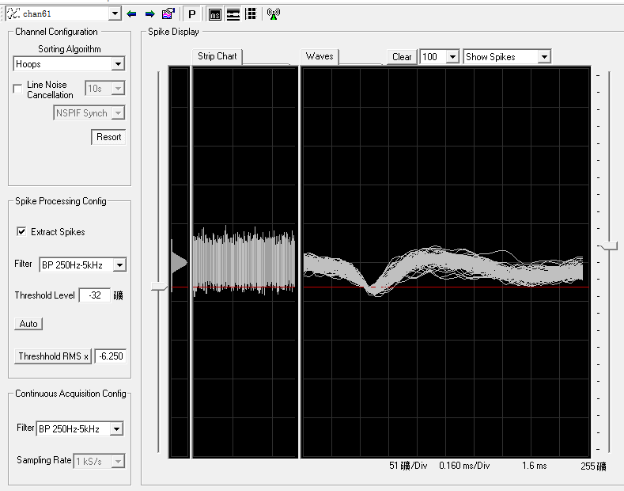
 |  |  |  |  |  |  |  | s: small
H6 44+2=46 small signal,46+0.75=46.75, MU then disappear. 46.75-0.25+0.25=46.75turns, MU back again
I6 48+5=53turns, small signal
K6 53+10=63turns, amp 25->32
L6 52+2=54turns, small signal
K7 52+2.5=54.5turns, small siganl, 54.5+0.25=54.75, suspect MU then disappear. 54.75+0.75=55.5turns, weak MU. 55.5+0.5=56turns
J7 46.5+8.5=55turns, still quiet
I7 52+5.5=57.5turns, suspect MU(waveform not like a spikes)

chan61 has spikes like noise
strong mechanical noise

